CI Capabilities
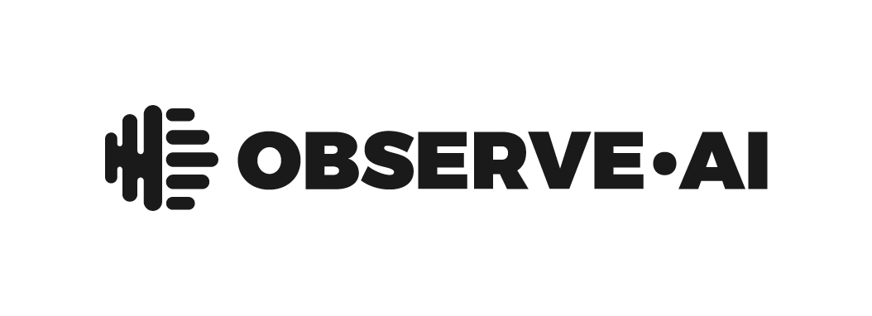
 | Conversation Intelligence Platform for the Contact Center
 | Use this scorecard to define your buying criteria for more tailored conversations
 | (Importance: N/A = Don't Need ; Low = Could Have ; Medium = Should Have ; High = Must Have)
 | CI Capabilities | Description | Importance
 | Company Information
 |  | Organization overview
 |  | Size of AI and Maching learning team, and roles
 |  | Number of customers and [YOUR INDUSTRY] expertise
 |  | List all subcontractors and service providers accessing data/providing services; Be sure to include what data is being accessed and for what purpose(s)
 |  | Financial information to show current and future financial health
 | Use Cases
 |  | Post-interaction analytics and coaching workflow
 |  | Real-time agent and supervisor assist
 |  | Sales execution for driving better conversions and customer retention
 |  | Customer service for driving better CX
 |  | Customer experience for driving better CSAT
 |  | Compliance for reducing risk
 |  | Reduce costs with operational efficiencies
 |  | Scale QA team with automation
 |  | Faster onboarding (i.e. faster time to proficiency, faster time to quota)
 |  | Reduce agent attrition through better ongoing guidance and coaching
 |  | Improve agent productivity (i.e. AHT, FCR) and performance
 |  | Better conversion rates (i.e. new business, upsell)
 |  | Reduce customer churn
 |  | A single platform for multi-channel customer and business insights
 |  | A single platform for both post-interaction and real-time AI with personalization and tailored experiences across users
 | Channels
 |  | Ability to support voice
 |  | Ability to support email
 |  | Ability to support messaging
 |  | Ability to screen record
 | Language Model and Accuracy
 |  | Contact Center Focused Language Model + LLM
 |  | Supports NLP/NLU capabilities
 |  | Ability to detect customer sentiment with tonality
 |  | Ability to detect dead air
 |  | Ability to detect call hold and hold time violations
 |  | Transcription and sentiment detection accuracy
 |  | Ability to improve accuracy over time
 |  | Ability to train accuracy model with unique business terms, etc
 |  | Provide accuracy feedback directly within the product as well as via support teams (i.e. CSMs)
 |  | Diarization of mono calls by agent and customer
 | Integrations and Controls
 |  | CCaaS Agnostic
 |  | Low code or no-code configuration
 |  | Easy to use, self-service platform (vs. needing additional headcount to manage the system for you such as an analyst)
 |  | Integration with HR systems, CRMs, other (list all integrations that apply to you before sending)
 |  | Integration with proprietary and third party systems
 |  | Export data via RESTful APIs and integrate into third-party systems like BI tools, CRM, other (list all API integrations that apply to you before sending)
 |  | Describe all the data types available for export and integration
 |  | Out-of-the-box Machine Learning-based categorization of key interaction insights
 |  | User ease in configuring and modifying categories
 |  | Ability to create a new category and immediately access insights (vs. reprocessing audio to populate new category)
 |  | Find related keywords and phrases to account for all communication variations within your interactions
 |  | Max number of categories that can be built
 |  | Max number of keywords within a category
 |  | Capturing semantics and acoustics (i.e. agent talking fast, agent talking slow, probing)
 |  | Support multiple languages and dialects
 |  | User sync processes
 |  | Role based permissioning
 |  | Alert based reporting
 | Data Security
 |  | Compliance with CCPA, GDPR, HIPAA
 |  | Certifications for PCI Level 1, SOC 2 Type 2, ISO27001, Hitrust
 |  | IP restricted platform access
 |  | Disaster protection with backup capabilities and a recovery process
 |  | Redact PII and PCI information from interactions, automatically
 |  | Selective PII and PCI redactions, automatically
 |  | Secure user authentication and SSO using company credentials
 |  | Audit log capabilities (who, when, how long)
 |  | Data encryption policies
 |  | Data retention policies
 |  | Security policy documentation
 | Implementation and Support
 |  | Implementation requirements and level of effort
 |  | Additional services & maintenance to drive a successful implementation
 |  | Process and timelines for go-live
 |  | Process of ongoing support for continued adoption & success
 | Quality Assurance
 |  | Enable custom model for % automation and % human QA
 |  | Automate QA evaluation responses and view supporting evidence for response
 |  | Train AI model for higher accuracy by correcting automated QA response errors
 |  | View automated rule annotations
 |  | Build custom automation rules for QA forms across BU, teams, etc
 |  | Create quality evaluation form(s) with multiple sections, questions, notes, points or no points
 |  | Ability to calibrate evaluation scoring across evaluators
 |  | Use operators (i.e. AND, OR) to further customize automated rules
 |  | Ability to auto fail evaluations with custom business rule criteria
 |  | View QA evaluation form in the same workflow as the call player, transcript, and key categories (vs. different screens/tabs)
 |  | Ability for agents to consume and respond to their evaluation form(s)
 |  | Ability for agents to dispute an interaction evaluation
 | Agent Performance and Coaching
 |  | Visibility into overall coaching activities and results
 |  | View current and historical data on coaching commitments and results
 |  | Personalized and prioritized coaching actions, auto-generated from scorecards
 |  | Prioritized coaching actions and tasks based on key KPIs
 |  | Auto-generated agent actions
 |  | Ability for a coach to recommend agent actions
 |  | Track agent performance improvement at the metric and sub-metric level
 |  | Ability for supervisors to compare human and AI-based evaluations per agent
 |  | Auto-generated coaching effectiveness scores—per manager—based on agent performance
 |  | Coaching effectiveness reports with multivariable data visualizations (i.e. supervisor, site)
 |  | Automated coaching follow-up and recognition tasks based on agent improvement (or lack there of)
 | Real-Time AI
 |  | Built on CCaaS integrations via API (vs leveraging audio recordings from agent hardware)
 |  | Deploy out-of-the-box real-time alerts for situations like hold time violation, negative sentiment, and high speech rate
 |  | Ability to edit out-of-the-box real-time alerts
 |  | Create and customize real-time agent experience(s) based on each agent's skill gaps identified through evaluations or coaching
 |  | Assign custom experience(s) to specific agents, teams, cohorts
 |  | Build smart scripts and checklists for agent adherence during customer interactions
 |  | Dynamic prompts that surface best practice checklists for handling customer questions, objections, or for serving agent reminders (i.e. to upsell or read compliance statements)
 |  | Dynamic prompts that surface the most relevant knowledge base links for every customer question, issue, or objection
 |  | Offer personalized behavioral and communication coaching while on the call
 |  | Supervisor real-time visibility into active calls and transcripts for live assistance, coaching, call violations
 |  | Trend reports for supervisors to understand live trends from current or recently concluded customer interactions
 | Generative AI Applications
 |  | Automated summaries that reduce after call work (ACW) for agents
 |  | Automatically extract knowledge from your KBs and documents to help agents answer questions faster
 |  | Provide immediate coaching to your agents on what went well and what didn't at the end of the interaction
 | Business Insights
 |  | Out-of-the-box evaluation summary and trend dashboards with month over month scores, averages by section/category/question
 |  | Out-of-the-box dashboards for personas like supervisor, agent, executives
 |  | Out-of-the-box dashboards for topics like leadership, coaching effectiveness
 |  | High performer dashboards (i.e. top 10%, top 20%) with timeframe filters such as previous week, month, quarter, year
 |  | Build unlimited custom dashboards with user permissions
 |  | Customize dashboards to correlate specific behaviors (i.e. empathy) and customer sentiment scores with key business metrics (i.e. CSAT, FCR)
 |  | Customize dashboards and reports based on any parameter (i.e. KPIs, coaching data, QA evaluation sections/questions, CRM fields, etc)
 |  | Set threshold alerts and auto-send emails (i.e. if negative sentiment goes > 6%, trigger email alert to supervisor)
 |  | Ability to download, share, auto-schedule reports

